Specification
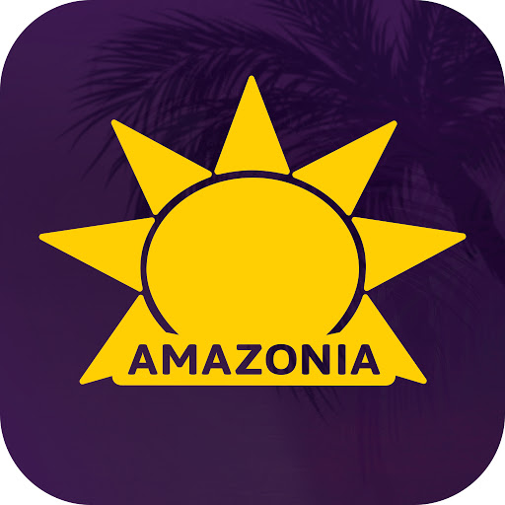 |  | AMAZONIA FOOD PRODUCT SPECIFICATION |  |  |  |  | 8/12 Distribution court. Arundel. QLD 4214. info@amazonia.com.au Ph 1300 851 050
Product Name |  | Amazonia Organic Acai Soft Mix

Version |  | Approved By (Name & Position) |  |  | Approval Date |  | Annual Review Date
1.0 |  | Nishith Javal (Food Technologist) |  |  | 30/12/2022 |  | 30/12/2023

1. Company Information
Company Name: |  | Amazonia Pty Ltd
Trading Name: |  | Amazonia Specialties Pty Ltd
Company ABN: |  | 77 134 207 364
Business Address: |  | 8/12 Distribution court. Arundel. QLD 4214.
Postal Address: |  | As above

2. Product Information
Product Name |  | Amazonia Organic Acai Soft Mix
Product Code |  | ASASP10 | ASASM10
Unit Size |  | 10kg | 2x5kg

Product Description |  |  | Frozen fruit product
Serving Form |  |  | Food
Serving Size |  |  | 100g
Sample/Flavour/Ingredient/Retail Ready |  |  | Food Service

2.1 Ingredients Declaration
Ingredients summary |  |  | Ingredient |  | Acai Soft Mix
 |  |  | AMZ ingredient Code |  | from wiise
 |  |  | QTY |  | 100%
Processsing Aids Summary |  |  | N/A

Ingredient List |  |  | Organic Acai Pulp*, Evaporated Cane Juice*, Organic Rice Syrup*, Xanthan Gum from fermentation, Citric Acid. *Certified Organic

FSANZ Code Standards Compliance
This product complies with the Australia New Zealand food Standards Code; and in addition to the information provided specifically in this form, and without limitation to compliance with any other part of the Code, the product complies with the following Standards where applicable:

Standard 1.4.1 | Contaminants & Natural Toxicants |  |  |  |  |  |  | No
Standard 1.4.2 | Maximum Residue Limits in Food(In Australia), or Maximum Residue Limits of agricultural Compounds, Mandatory Food Standard 1999 (and subsequent amendments) issued under sections 11C and 11Z of the Food Act 1981 in New Zealand |  |  |  |  |  |  | No
Standard 1.4.4 | Prohibited & Restricted Plants & Fungi where applicable, and that where such certification relies on third party audits, analysis, industry codes, or equivalence of international standards to demonstrate compliance, that certificates are current and available |  |  |  |  |  |  | NA

2.2 Country of origin
Total minimum% of Australian Ingredients |  |  | 0%
Country of origin statement on label |  |  | Produced in Brazil

3.1 Composition Information
Mandatory Advisory Statements
Refer to the list in Schedule S9-2 in the ANZ Food Standards Code and Standard 1.2.3 |  |  |  |  |  |  |  |  | https://www.legislation.gov.au/Details/F2021C00195
 |  |  |  | Is an advisory statement required about the food or ingredient? |  | If an advisory statement required, list the food (Column 1 S9-2 and Standard 1.2.3) and advisory statement (Column 2 S9-2 and Standard 1.2.3) below |  |  | Name of Allergenic Ingredient, Food Additive, Vitamin or Mineral, Processing Aid | Type of allergen
Bee pollen or a food containing bee pollen as an ingredient |  |  |  | No
A beverage made from cereals, nuts, seeds, or a combination of these ingredients, and that contains less than 3% m/m protein. |  |  |  | No
An evaporated and dried products made from cereals, nuts, or seeds, or a combination of those ingredients, and that when reconstituted as a beverage according to directions for direct consumption, contains less than 3% m/m protein. |  |  |  | No
A beverage made from cereals, nuts, seeds, or a combination of those ingredients, and that contains: no less than 3% m/m protein; and no more than 2.5% m/m fat. |  |  |  | No
An evaporated and dried products made from cereals, nuts, or seeds, or a combination of those ingredients, and that when reconstituted as a beverage according to directions for direct consumption, contains: no less than 3% m/m protein; and no more than 2.5% m/m fat. |  |  |  | No
Milk, or an analogue beverage made from soy, that contains no more than 2.5 m/m fat. |  |  |  | No
Evaporated milk, dried milk, or an equivalent product made from soy, that, when reconstituted as a beverage according to directions for direct consumption, contains no more than 2.5% m/m fat. |  |  |  | No
A food that contains aspartame or aspartame-acesulphame salt. |  |  |  | No
A food that contains quinine. |  |  |  | No
A food that contains guarana or extracts of guarana. |  |  |  | No
A food that contains added phytosterols, phytostanols or their esters. |  |  |  | No
A cola beverage that contains added caffeine. |  |  |  | No
A food that contains a cola beverage that also contains added caffeine as an ingredient. |  |  |  | No
Propolis. |  |  |  | No
A food that contains propolis as an ingredient. |  |  |  | No
Unpasteurised egg products. |  |  |  | No
Unpasteurised milk. |  |  |  | No
Unpasteurised liquid milk products. |  |  |  | No
Polyols, Isomalts, Polydextrose (Lactitol, Maltitol, Maltitol syrup, Mannitol, Xylitol, Erythritol, Isomalt, Polydextrose, Sorbitol) |  |  |  | No

3.1 Mandatory Warning Statement
Royal Jelly |  |  |  | No

Mandatory Declaration of allergens
Please insert YES or NO to indicate if the product contains, or was manufactured using, any ingredient, additive or processing aid which has been derived from the following food sources. Highly processed derivatives must always be declared.
Allergen |  |  |  |  | Yes/No | DerIVATIVE NAME Ingredient, additive or processing aid (e.g. maltodextrin) | Proportion % of derivative in product | Proportion % of protein in derivative |  | Process : allergenic protein is removed?
added sulphites in concentrations of 10 mg/kg or more |  |  |  |  | No
Any of the following cereals (including hybridised strains thereof) if they contain *gluten |  |  |  | barley | No
 |  |  |  | oats | No
 |  |  |  | rye | No
wheat (including its hybridised strain) irrespective of whether it contains gluten |  |  |  |  | No
Any of the following tree nuts |  |  |  | almond | No
 |  |  |  | Brazil nut | No
 |  |  |  | cashew | No
 |  |  |  | hazelnut | No
 |  |  |  | macadamia | No
 |  |  |  | pecan | No
 |  |  |  | pine nut | No
 |  |  |  | pistachio | No
 |  |  |  | walnut | No
Crustacea |  |  |  |  | No
Egg |  |  |  |  | No
Fish |  |  |  |  | No
Lupin |  |  |  |  | No
Milk |  |  |  |  | No
Mollusc |  |  |  |  | No
Peanut |  |  |  |  | No
Seasame seed |  |  |  |  | No
Celery |  |  |  |  | No
Mustard |  |  |  |  | No
Soybean |  |  |  |  | No

3.2.2 Cross Contact Allergens
Have you conducted or do you wish to conduct a VITAL® risk assessment for cross contact allergens? |  |  |  |  |  | No
If No, is a precautionary allergen statement appropriate for this product? |  |  |  |  |  | No

ALLERGENIC SUBSTANCE |  | PRESENT IN SAME FACILITY | PRESENT ON SAME LINE | SOURCE FOOD The allergenic food from which ingredient is derived (e.g. wheat) |  | DERIVATIVE NAME Ingredient, additive or processing aid (e.g. maltodextrin) |  | TOTAL PROTEIN protein level by VITAL, or specify "particulate" mg/kg
Cereals containing gluten & their products |  | No | No
Crustacea & crustacea products |  | No | No
Egg & egg products |  | No | No
Fish & fish products (inc mollusc & oils) |  | No | No
Lupin & lupin products |  | No | No
Milk & milk products |  | No | No
...

